Лист1
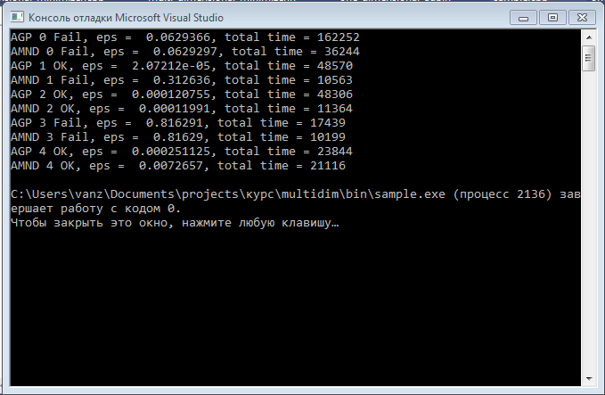
range = 4
eps = 0.01
Nmax = 1000

Sequential
 | Task number | Status | Eps | Total time, ms
AGP | 0 | fail | 0.0629366 | 162252
AGMND | 0 | fail | 0.0629297 | 36244

AGP | 1 | ok | 2.07212e-05 | 48570
AGMND | 1 | fail | 0.312636 | 10563

AGP | 2 | ok | 0.000120755 | 48306
AGMND | 2 | ok | 0.00011991 | 11364

AGP | 3 | fail | 0.816291 | 17439
AGMND | 3 | fail | 0.81629 | 10199

AGP | 4 | ok | 0.000251125 | 23844
AGMND | 4 | ok | 0.0072657 | 21116

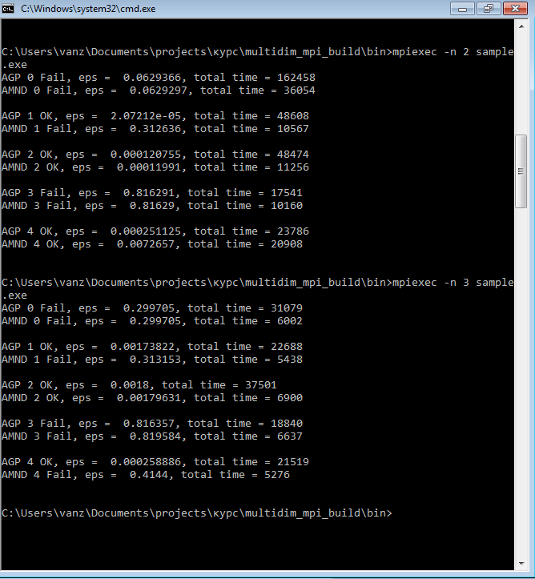
MPI one process
 | Task number | Status | Eps | Total time, ms
AGP | 0 | fail | 0.0629366 | 162458
AGMND | 0 | fail | 0.0629297 | 36054

AGP | 1 | ok | 2.07212e-05 | 48608
AGMND | 1 | fail | 0.312636 | 10567

AGP | 2 | ok | 0.000120755 | 48474
AGMND | 2 | ok | 0.00011991 | 11256

AGP | 3 | fail | 0.816291 | 17541
AGMND | 3 | fail | 0.81629 | 10160

AGP | 4 | ok | 0.000251125 | 23786
AGMND | 4 | ok | 0.0072657 | 20908

MPI two process
 | Task number | Status | Eps | Total time, ms
AGP | 0 | fail | 0.299705 | 31079
AGMND | 0 | fail | 0.299705 | 6002

AGP | 1 | ok | 0.00173822 | 22688
AGMND | 1 | fail | 0.313153 | 5438

AGP | 2 | ok | 0.0018 | 37501
AGMND | 2 | ok | 0.00179631 | 6900

AGP | 3 | fail | 0.816357 | 18840
AGMND | 3 | fail | 0.819584 | 6637

AGP | 4 | ok | 0.000258886 | 21519
AGMND | 4 | fail | 0.4144 | 5276

